PR_45degree_1.06%_total122.63
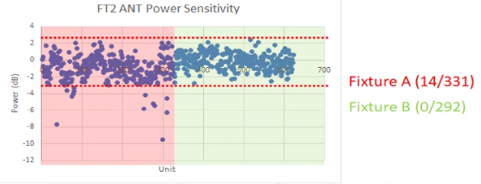
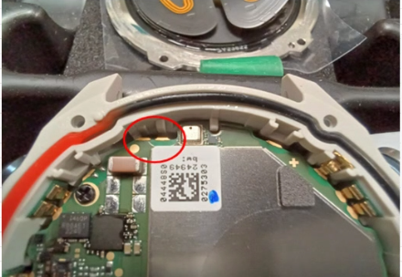
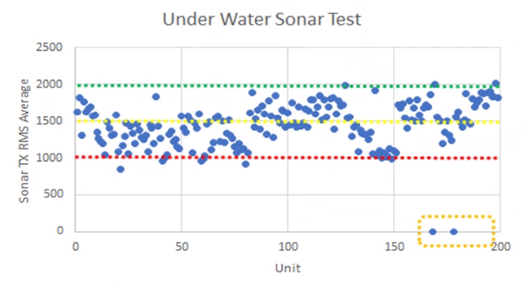
ProcessType | ItemName | CountCountESN | Retest | PQE Note
DescentMk3_ATE | Conducted WIFI Output Power | 79/734 | 10.76 | I701 WIFI BLE SOC
DescentMK3_FT1 | GPS_ (L1 + L5) by ref(MK3s) | 60/587 | 10.22 | Port分布不同(見下散佈圖)
DescentMk3_ATE | VBAT Current (Off Mode)(10,900) | 51/734 | 6.95 | 電感按鍵 觸發按鍵IC，所以電流比較高。EE已經調整規格，該規格納入按鍵IC待機電流
DescentMK3_Compass | Check Unit Roll on 0 degree | 40/582 | 6.87 | 其他機種+-1.5度，Descent是0.5度。治具底座會晃動，造成重測。9/26有發現狀況(如下圖)。 9/27在測試之前test program會先確認機台角度，讓OP調整
Fenix7_Altimeter | Position1_Val2 | 33/506 | 6.52
Fenix7_Altimeter | Position2_Val2 | 32/506 | 6.32
DescentMK3_Baro | 0.5 ATM diff with golden | 24/582 | 4.12 | 5台真實不良。Ring跟殼沒看到什麼油
DescentMK3_CT | GPS_ (L1 + L5) by ref (MK3s) | 21/591 | 3.55 | 板子微彎、7點鐘天線變形、天線裂開 (五個槽只需要裝三個槽的天線)
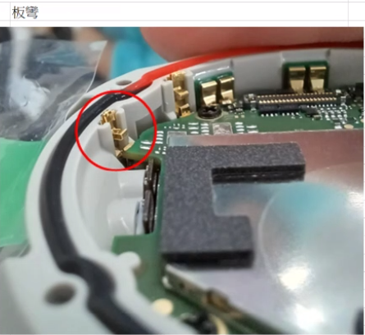
DescentMK3_RTESN | GPS (L1+L5) | 17/595 | 2.86 | 1.天線沒有裝 2.主板微彎 3.板子跟彈片接觸有不好 (7點鐘方向L1+L5天線)。CT才能完整攔到，HT沒有再出現 (3pcs fail)
DescentMK3_Compass | Compute Unit Pitch and Roll | 16/582 | 2.75 | 多發生在-999。可能是架設時USB斷線造成
DescentMK3_FT2 | ANT Power Sensitivity | 16/585 | 2.74 | 3pcs沒有裝天線(OSP裝)。重測來自FixtureA見下圖，Fixture A沒有貼附USB cable
DescentMK3_FT_Underwater_Sonar | Sonar TX RMS Average(MK3si) | 9/355 | 2.54 | 見下圖。未來會有Golden
Airtight_table | 壓力超出規格_正壓 | 13/589 | 2.21 | 小毛屑
HRM_lensLifted_Unit | 確認通訊1|Connection check | 11/501 | 2.2
DescentMK3_RTESN | ALS Luminance (WLED ON) | 13/595 | 2.18 | 裝好電池會進user mode，剛開機時不吐值。1.轉test mode 2.user_mode測試
DescentMk3_ATE | VBAT Current (Ship Mode)(10,8) | 16/734 | 2.18 | 電感按鍵 觸發按鍵IC，所以電流比較高。EE已經調整規格，該規格納入按鍵IC待機電流
DescentMK3_RTESN | M-Sensor BIST Overall | 12/595 | 2.02 | 裝好電池會進user mode，剛開機時不吐值。1.轉test mode 2.user_mode測試
DescentMK3_FT_Underwater_Sonar | Sonar TX 40K - 225 degree RMS | 7/355 | 1.97 | 測試治具不穩定
Fenix7_Altimeter | Position2_Val1 | 9/506 | 1.78
DescentMk3_ATE | Turn On WIFI | 12/734 | 1.63 | I701 WIFI BLE SOC
DescentMk3_MultiUpdater | USB Connection (Reboot) | 12/745 | 1.61 | I701 WIFI BLE SOC
DescentMK3_Gyro | Check Baro Test Data | 8/589 | 1.36 | 漏測
Airtight_table | 連續斜率異常_負壓 | 8/589 | 1.36 | 大漏 深度計檔板沒裝 或防水圈夾到
DescentMK3_FT2 | VEXT BL=16% D-OVSS OFF-ON Current (MK3s) | 7/585 | 1.2 | 攔檢燒錄。在前加工也會先攔檢，本次有啟動該攔檢
Airtight_table | 壓力不足_負壓 | 7/589 | 1.19
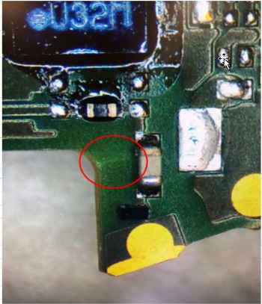
 | I407 crack
 | FT2 ALS

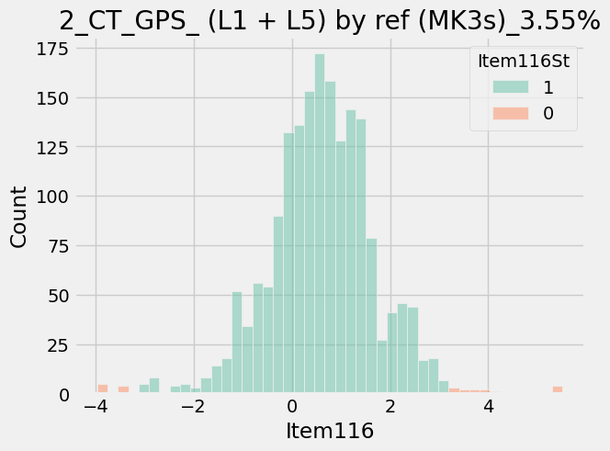

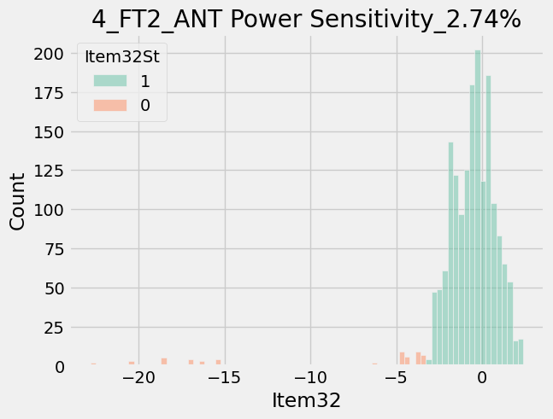

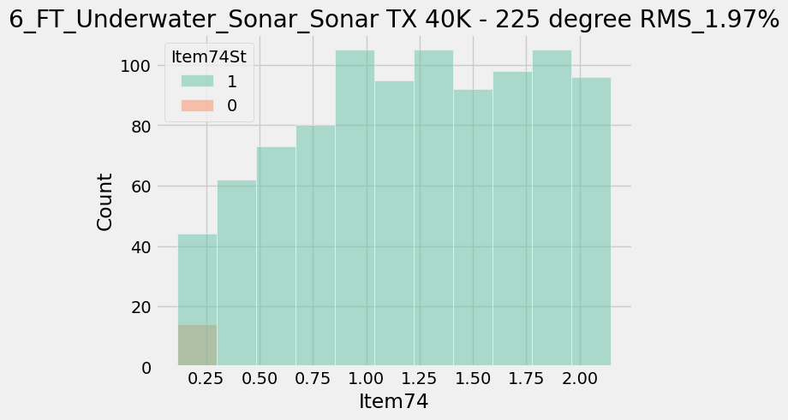

紅色是chamber cable需調整

